Index

Shree Cement Limited
Financial Model

 | Inputs
 |  | Historical Financial Statement
 |  | Assumptions
 |  | Market Data
 |  | Revenue & Cost buildup

 | Calculation & Analysis
 |  | Income Statement
 |  | Balance Sheet
 |  | Cash Flow Statement
 |  | Working Capital
 |  | Depreciation Schedule
 |  | Debt Schedule
 |  | WACC
 |  | Beta
 |  | Sensitivity Analysis

 | Outputs
 |  | DCF Model
 |  | Ratio Analysis
 |  | Comparables Analysis
 |  | Valuation Summary

Assumptions
Shree Cement Limited
Assumptions

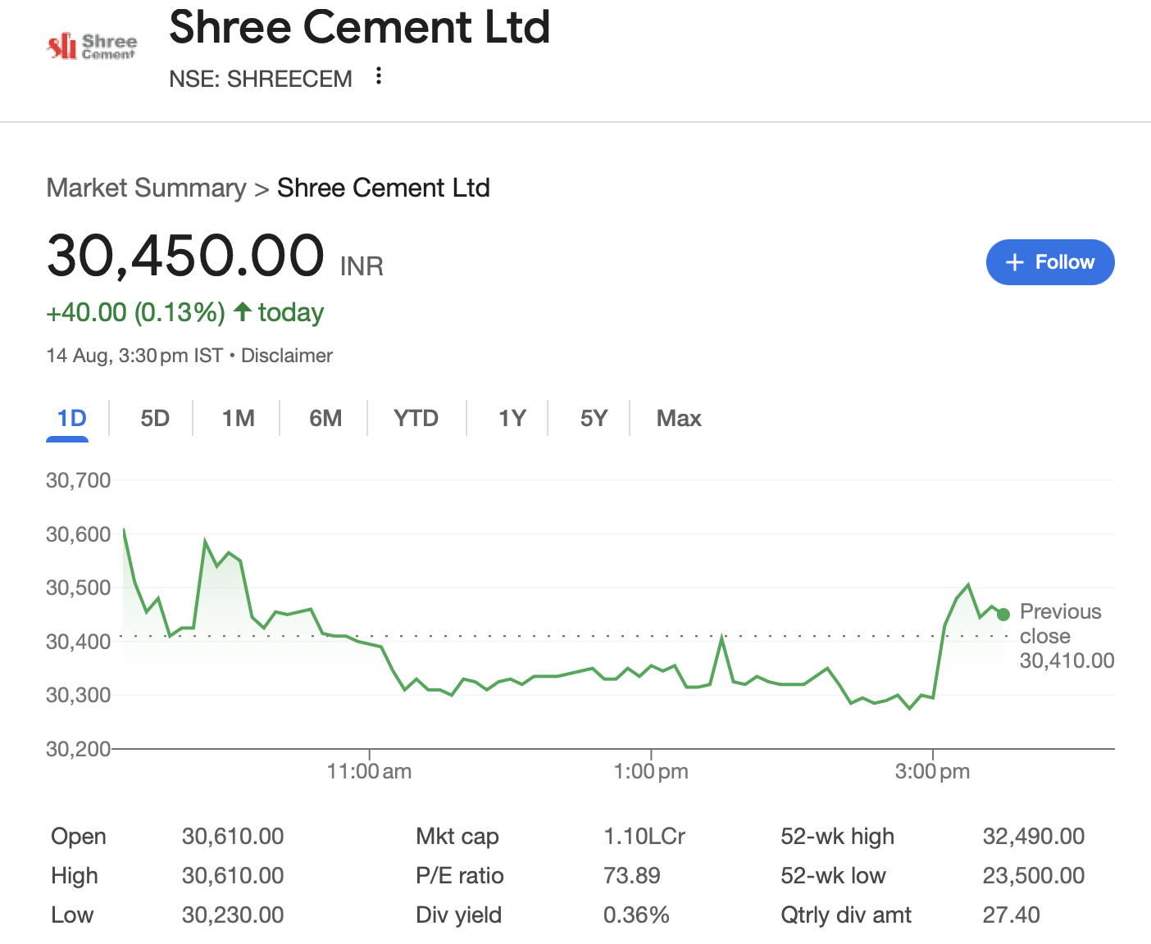
Company Description | Shree Cement Limited
ISIN Code | INE070A01015
Sector Name | Building Materials
Industry | Cement & Concrete Manufacturing
Exchange Name | BSE: 500387, NSE: SHREECEM
Website | https://www.shreecement.com
Company Description | Shree Cement Limited is one of India’s leading cement manufacturers, known for its focus on innovation, sustainability, and efficiency. As of March 31, 2025, the company has achieved a cement production capacity of 56.4 million tonnes per annum (MTPA), with operations spread across 11 grinding units and 6 integrated plants in India. It also operates 8 limestone mines and has a total power generation capacity of 1,085 MW, including 582 MW of green power. The company is committed to responsible resource management, community development, and continuous growth, aligning with its vision of creating lasting value through measured and purposeful expansion.
Current Market Price | 30450

Company data
Particulars |  | Amount
No of Outstanding shares | Nos | 36,080,748
Face Value per share | Rs. | 10
Current Market Price | Rs. | 30,450
Market Capitalisation | INR in crs | 109,865.88

Company Production Capacity
Year |  | Cement (MTPA) | Electricity (MW)
2021 |  | 43.4 | 752.0
2022 |  | 46.4 | 771.0
2023 |  | 46.4 | 888.6
2024 |  | 53.4 | 983.0
2025 |  | 62.5 | 1085.0
1 MTPA = 1,000,000 tonnes per year
1 MW = 1,000,000 watts (W)

Headings | Reference | Assumptions
Revenue & Cost Buildup | M8:V8 | For FY2026, revenue growth is projected at 7.0% based on a weighted average of three inputs: industry average growth of 4.7% (50% weight), historical average growth of 9.6% (25% weight), and analyst estimates of 9.0% (25% weight). The bull case assumes a 5 percentage point higher growth rate at 12.0%, while the bear case assumes a 5 percentage point lower rate at 2.0%. In all scenarios, the growth rate is expected to taper by 2.0 percentage points annually in subsequent years, reflecting a conservative and gradual normalization approach.
 | M9:V9 M10:V10 M11:V11 | COGS, Salaries & Benefits and Other SG&A Expenses is taken as average of last 5 audited years and assumed to be remain constatnt throughout the projection period.
 | M12:V12 | The actual FY2025 rate was taken as the base, with the depreciation rate assumed to increase by 1% every three years starting in FY2026. Accordingly, the rate is increased by 1% in FY2026 and in subsequent years at three-year intervals
 | M13:V13 | Interest rate was calculated as average of last 4 audited years which is coming 11% and then assumed to be remain same throughout the forecasted period.
 | M14:V14 | Other income was computed by taking the average of historical years and is assumed to remain constant throughout the projected period.
 | M15:V15 | The last year figure, i.e., the FY2025 effective tax rate of 14.3%, is taken as the base and increased by 0.5% in FY2026 to 14.8%. Moving ahead, the rate is assumed to increase by 0.5% every two years over the forecast period
 | M16:V16 | Dividend Payout is assumed as average of the last 5 years which is coming closer to 18.4% which is assumed to be the dividend payments throughout the forecast period
 | M17:V17, M18:V18, M19:V19 | Trade Receivables, Inventory, and Trade Payables were calculated by determining the DSO, DIO, and DPO for all five audited years. The average of these metrics was then taken and assumed to remain constant during the forecasted years. These constant ratios were subsequently multiplied by the Revenue and Inventory of the respective forecast years to estimate the values.
 | M20:V20 | Capex is estimated using the average of the last 5 audited years, with a 0.5% increase applied in the next forecast year
Balance Sheet | M45:V45 | Cash and Cash equivalents are taken from the closing cash balance of cash flow statements.
 | M46:V46 | Bank Deposits is taken from the last historical year and Increased by the balancing figure of balance sheet and remained constant throughout the projected period.
 | M49:V49 M52:V52 M53:V53 M59:V59 M62:V62 | Other Current Assets, Financial Assets, Other Non-Current Assets, Other Current Liability and Other Non-Current Liability and taken from the last audited year i.e 2025 and assumed to be remain constant throughout the forecasted period i.e from (2026-35).
Shareholder's Equity | M67:V67 | Non-controlling interest is assumed to remain constant at ₹41 crore throughout the projection period, based on the value recorded in the year 2025.
Supporting Schedules | M118:V118 | Debt Issuance/Repayment is assumed to be Zero for thr forecasted years.

Summary
Shree Cement Limited
Valuation Summary - Football Field

Football Field Data
 |  |  |  |  |  | Market
 |  |  | Comps | DCF | 52-week hi/lo | Consensus
 | High |  | 24,523 | 43,511 | 31,030 | 35,330
 | High |  | 24,523 | 43,511 | 31,030 | 35,330
 | Low |  | 16,498 | 17,727 | 25,073 | 29,152
 | Low |  | 16,498 | 17,727 | 25,073 | 29,152

Valuation Summary
Valuation Summary

Broker Analysis |  | Date | LTP | Target Price
 | Prabhudas Liladhar | 2025-05-15 | 30,645 | 29,152
 | Geojit BNP Paribas | 2025-06-05 | 30,645 | 32,340
 | Sharekhan | 2025-06-18 | 30,645 | 33,400
 | ICICI Securities | 2025-06-12 | 30,645 | 35,330
 | Consensus | 2025-07-30 | 30,645 | 30,437

